Risk Matrix
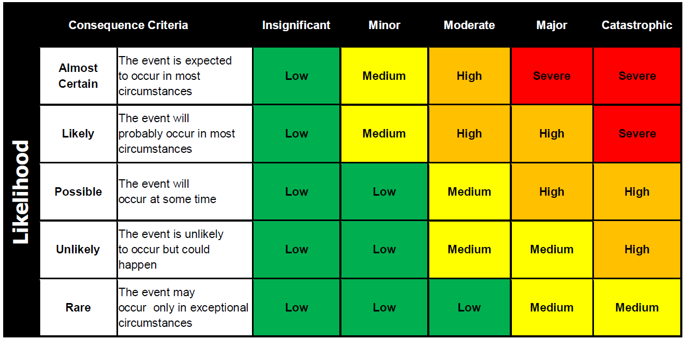
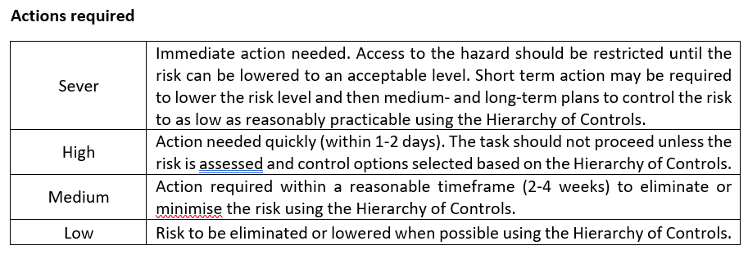
Category | Insignificant | Minor | Moderate | Major | Catastrophic
Legal Compliance | Internal Notifications | Reportable – No follow up | Reportable with Immediate actions | Reportable with follow up audit | Fines & Stoppage notices
Safety and Health | Near miss | First Aid treatment | Hospitalisation required - temporary condition | Permanent condition | Fatal
Financial | < $10k | $10k - $100k | $100k - $200k | $200k plus | >Insolvency
Quality Assurance | Internal review only | Recommendations | Improvement Notices | Non Comformaties | Stop Notice `
Reputation | Internal stakeholders perception | One off media attention - local | Negative media coverage over 2 weeks | Business subject to ongoing public or Government criticism | Complete Loss of Business
Business Continuity | Incident can be delt with at site level within busienss hours | Incident can be delt with within 24 hours | Complete site disruption lasting more than 24 hours but less than 48 hours | Complete site disruption lasting more than 48 hours | Stoppage of all operations
Environment | No lasting environmental damage | Short term environmental damage to a small area | Medium term environmental damage to a widespread area | Widespread, long term environmental damage | Significant, permanent environmental damage
Stakeholder complaints | Internal review only - no action required | Internal review only - action required | Reported to Governing body or repeated internal reviews | Legal review required | Legal Convictions

